Software Defect Report Template
SOFTWARE DEFECT REPORT TEMPLATE |  |  |  | http://bit.ly/2UqesFD
DEFECT ID | TITLE | DESCRIPTION / SUMMARY | ENVIRONMENT | STEPS TO REPRODUCE | SCREENSHOT | DEFECT SEVERITY | DEFECT PRIORITY | REPORTED BY | ASSIGNED TO | STATUS | RESOLUTION | DATE REPORTED | DATE OF FIX | SEVERITY | DEFECT PRIORITY | STATUS
1 | Content centering issue | After selecting path to install, window with group select shows in top left conrner, not in centre. | Windows 10 | 1. Open setup.exe. 2. Chose install path. |  | Low | Low |  |  | Open |  |  |  | Showstopper | Critical | Open
2 | Installation hangs temporarily | During installation cancellation, the program temporarily hangs | Windows 10 | 1. Open setup.exe. 2. Select "Exit setup". | 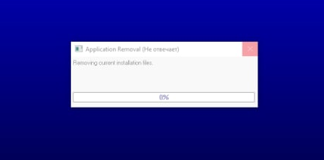 | Low | Low |  |  | Open |  |  |  | Major | High | Resolved
3 | A typo In menu item | Menu item "Edit" has a typo | Windows 10 | Look at the top left corner |  | Low | Low |  |  | Open |  |  |  | Minor | Medium | Closed
4 | Error opening Help | When you call help, the Microsoft site opens with the topic "Help not supported" | Windows 10 | Select help in menu | 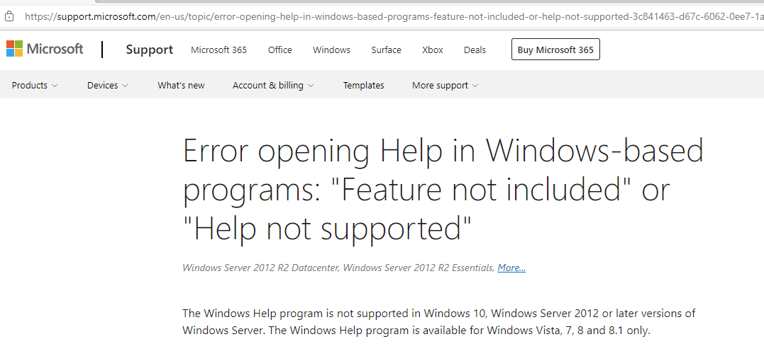 | Low | Low |  |  | Open |  |  |  | Low | Low
5 | You can add empty record | No validation when textbox is empty | Windows 10 | 1. Select any range. 2. Press "Add to list" with empty textbox. | 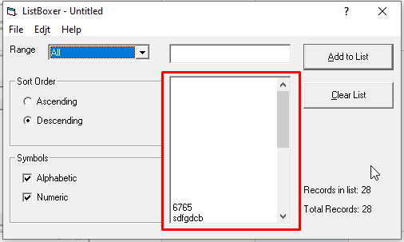 | Minor | Medium |  |  | Open
6 | Can't clear the list with one record | The "Clear list" button is inactive when there is one record. | Windows 10 | 1. Add one record to empty list. 2. Try to clear list. | 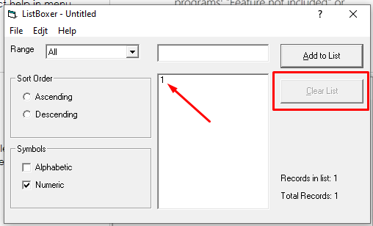 | Minor | High |  |  | Open
7 | Empty field | Empty field in range dropdown list | Windows 10 | Chose range in dropdown list | 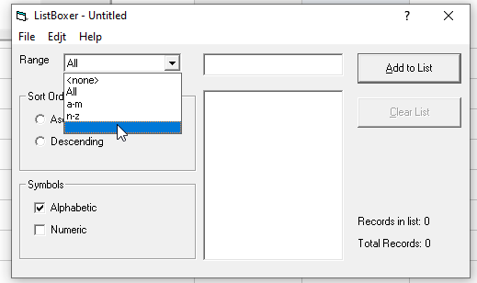 | Low | Low |  |  | Open
8 | Mistake in descending order | Descending order has a mistake with last two records in numeric, alphabetic or mixed mode | Windows 10 | 1. Add three record to list 2. Choose descending order | 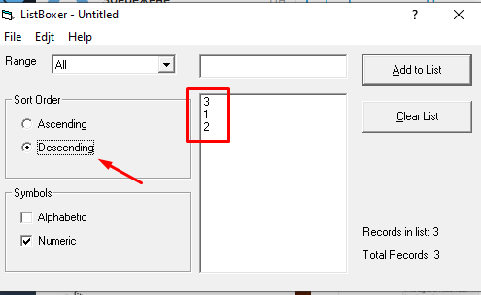 | Major | High |  |  | Open
9 | Incorrect letter display | Letter "j" looks almost the same as "I" | Windows 10 | Input "j" in textbox |  | Minor | Medium |  |  | Open
10 | A typo in range list | Range dropdown list has a typo. Must be 301-9999 instead of 300-9999. | Windows 10 | 1. Select checkbox "Numeric". 2. Expand range dropdown list. | 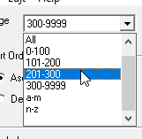 | Low | Medium |  |  | Open
11 | Number limit of textbox | In digital or mixed mode it's posible to enter 8 characters. But we can use numbers in range 0-9999. So limit should be 4 characters for numbers. | Windows 10 | 1. Select checkbox "Numeric". 2. Enter more than 4 numbers in textbox. |  | Low | Low |  |  | Open
12 | Mistake in descending order | In digital mode numbers are filtered only by the first number in descending order | Windows 10 | 1. Enter a few numbers with one digit. 2. Enter number with 2 or more digits. 3. Choose descending order. | 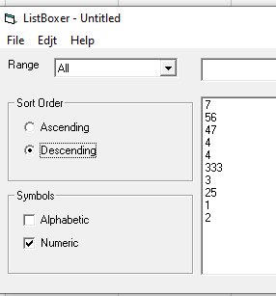 | Major | Critical |  |  | Open
13 | Mistake in ascending order | In digital mode numbers are filtered only by the first number in ascending order | Windows 10 | 1. Enter a few numbers with one digit. 2. Enter number with 2 or more digits. 3. Choose ascending order. | 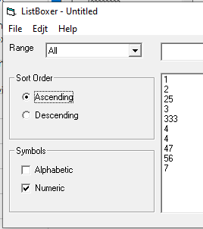 | Major | Critical |  |  | Open
14 | Ctrl+Z works only once | Undo (Ctrl+Z) works only once but the button is avaliable | Windows 10 | 1. Enter a few records. 2. Try to undo more than one time. |  | Minor | Medium |  |  | Open
15 | Not available items in menu | Menu item "Edit" has actions "Cut", "Copy" and "Paste" that aren't available | Windows 10 | Open menu "Edit" | 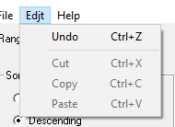 | Low | Low |  |  | Open
16 | Standart copy-paste combinations don't work | Ctrl+C, Ctrl+V and Ctrl+X aren't working | Windows 10 | 1. Enter value in textbox. 2. Try to copy, paste or cut with Ctrl+C, Ctrl+V and Ctrl+X combinations |  | Major | High |  |  | Open
17 | Incorrect work of the button "Cancel" in "Exit" | The "Cancel" button in dialog window should cancel pressing the Exit button in menu "File" and not close the program, but the program is closed. | Windows 10 | 1. Add one or more records in the list. 2. Choose "Exit" in menu "File" or press Ctrl+Q. 3. Press "Cancel" button in dialog window. |  | Showstopper | Critical |  |  | Open
18 | Save doesn't work correctly | Only ascending order has been saved | Windows 10 | 1. Add a few records to the list. 2. Choose descending order. 3. Save file and open it in Notepad | 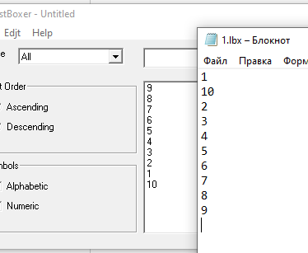 | Showstopper | Critical |  |  | Open
19 | Saved file .lbx doesn't open in ListBoxer | No possibillity to open your saved file with ListBoxer to continue your work. ListBoxer opens but has no data. | Windows 10 | 1. Add a few records to the list. 2. Save file and open it with ListBoxer |  | Showstopper | Critical |  |  | Open
20 | Save doesn't work correctly | There is no way to save the file and continue working with it. Prompts you to save a new file. | Windows 10 | 1. Add a few record to the list. 2. Save file. 3. Add new record. 4. Save again. |  | Minor | Medium |  |  | Open
21 | Wrong title after saving | After saving program title must be change to the name of saved file, but it still "Untitled" | Windows 10 | 1. Add a few record to the list. 2. Save file. |  | Low | Low |  |  | Open
22 | File doesn't open correctly | Program opens saved .ibx file without first record | Windows 10 | 1. Add a few record to the list. 2. Save file. 3. Clear list or close and open ListBoxer again. 4. Press "File"->"Open". 5. Choose your saved file. | 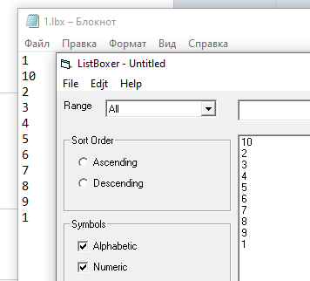 | Showstopper | Critical |  |  | Open
23 | File doesn't open correctly | Program add empty record when you open some file again | Windows 10 | 1. Add a few record to the list. 2. Save file. 3. Clear list or close and open ListBoxer again. 4. Press "File"->"Open". 5. Choose your saved file. 6. Open one more file. | 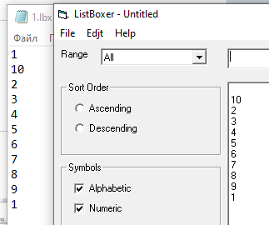 | Showstopper | Critical |  |  | Open
24 | Undo doesn't work correctly | Undo doesn't work correctly with one record. It cleans up the list visually, but leaves an empty field. | Windows 10 | 1. Add one record to empty list. 2. Press "Undo" or Ctrl+Z. 3. Add one more record. |  | Minor | Medium |  |  | Open
25 | Typo in "About" | Menu "About" shows that ListBoxer version is 1.89, but it has version 1.98. | Windows 10 | Open menu "About" | 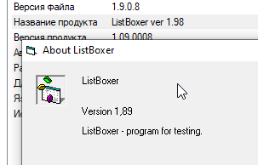 | Low | Low |  |  | Open
26 | No "New" command in "File" menu | No possibillity to create new file in the program, just open or save. | Windows 10 | Opem menu "File" | 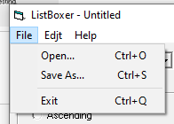 | Minor | Medium |  |  | Open
27 | Incorrect operation of the mode | Alphabetic mode does not take into account records that start with numbers. | Windows 10 | 1. Choose alphabetic and numeric mode. 2. Add record with digit as first symbol. 3. Disable numeric mode. | 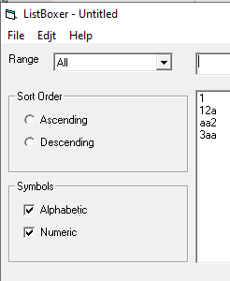 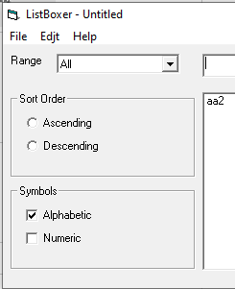 | Major | High |  |  | Open
28 | File replacement warning missing | When you save a file with the same name, there is no warning about the replacement, the replacement is automatic. | Windows 10 | 1. Add a few record to the list. 2. Save file. 3. Add new record. 4. Save again with the same name. |  | Major | High |  |  | Open
29 | Close warning missing | When you close an application that contains records, there is no dialog window prompting you to save the current work. | Windows 10 | 1. Add a few record to the list. 2. Close window with program |  | Major | High |  |  | Open
30 | "Select all" combination doesn't work | Standart windows combination Ctrl+A "Select All" doesn't work in the program | Windows 10 | 1. Input text in the textbox. 2. Try to select with Ctrl+A |  | Minor | Medium |  |  | Open

